Step 4 - ISB
Decision Tree In Situ Burning

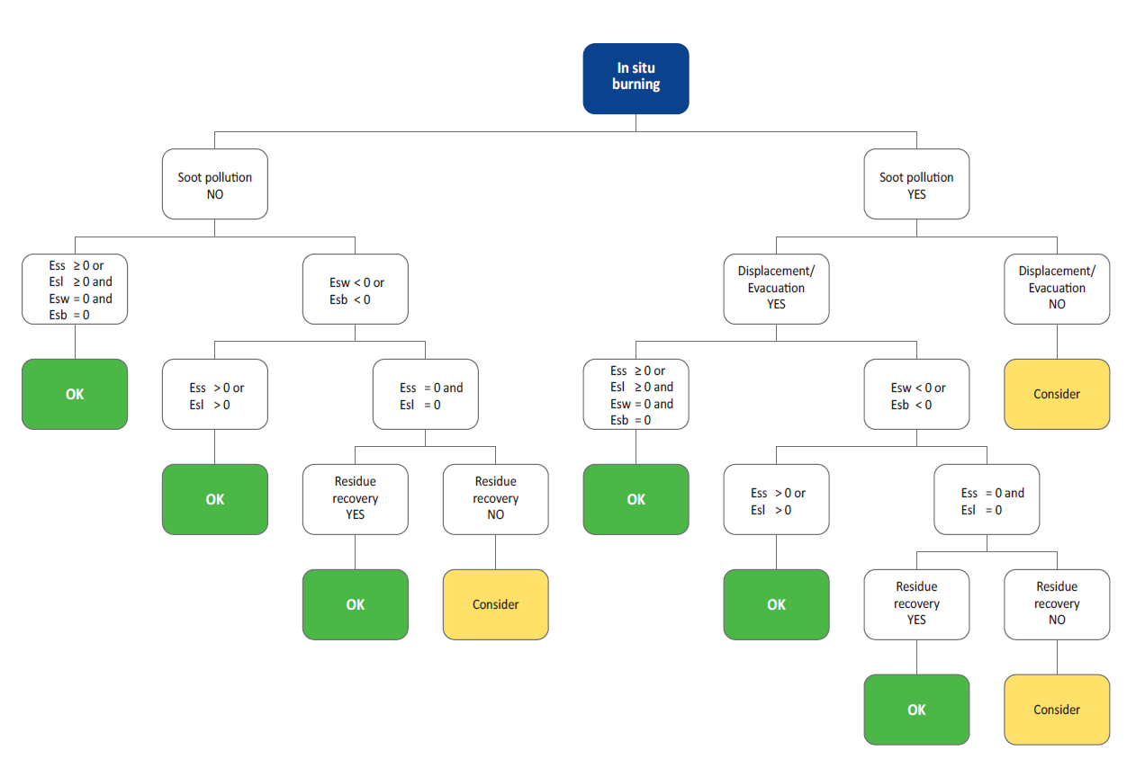

RESULTS | Spring | Summer | Autumn | Winter
In Situ Burning

Step 4 - CD
Decision Tree Chemical Dispersion

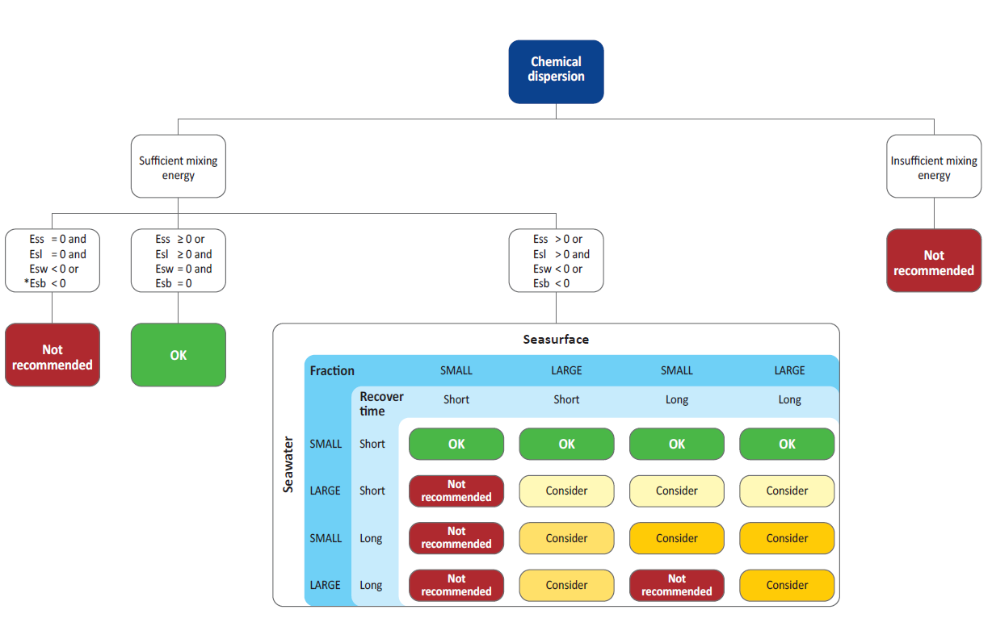

RESULTS | Spring | Summer | Autumn | Winter
Chemical Dispersion

Step 4 - MR
Decision Tree Mechanical Recovery

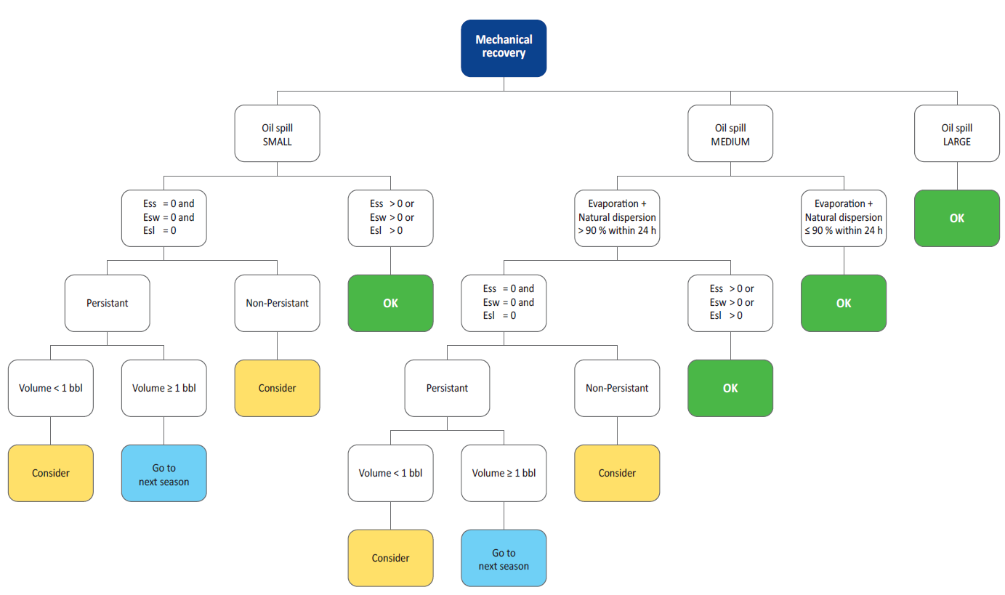

RESULTS | Spring | Summer | Autumn | Winter
Mechanical recovery

Step 4 - DN
Decision Tree Do Nothing

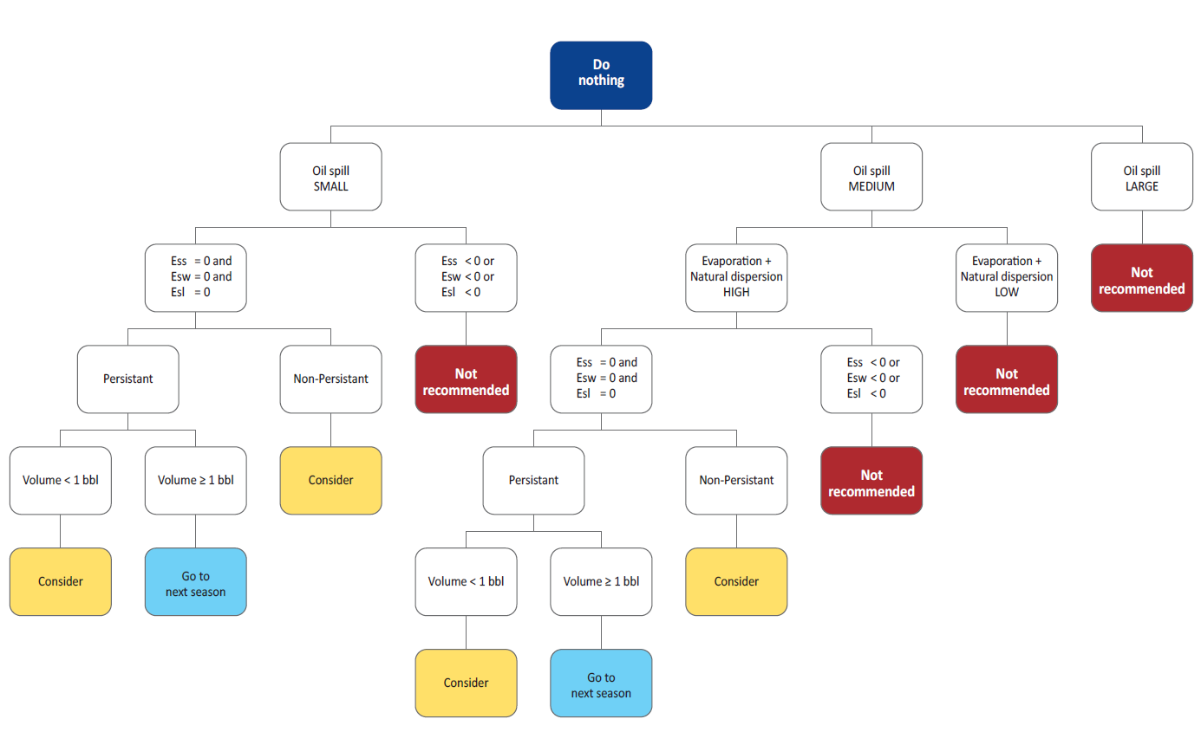

RESULTS | Spring | Summer | Autumn | Winter
Do Nothing

